Sheet1
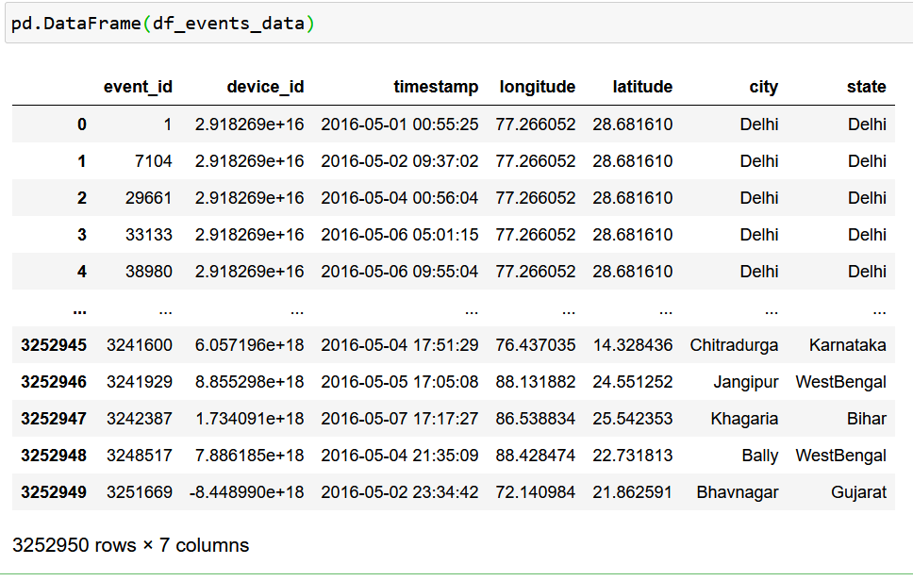
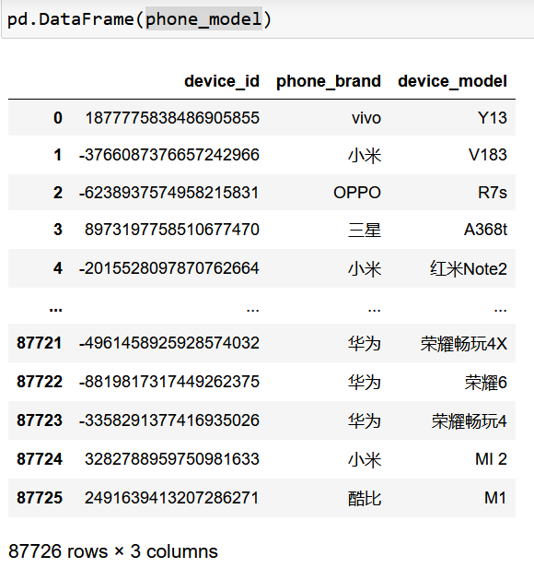
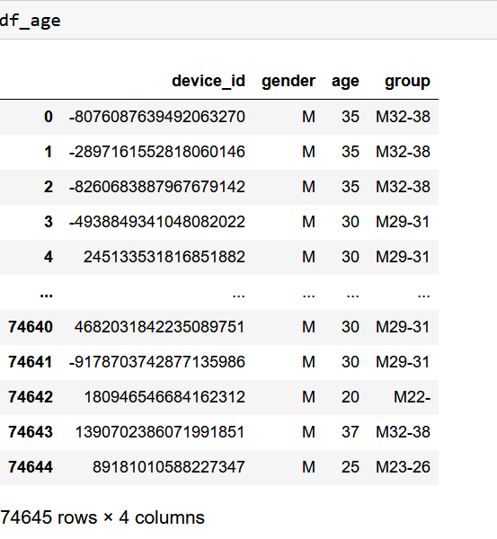

Brand Name | Brand English Mapping
华为 | Huawei
小米 | Xiaomi
三星 | Samsung
vivo | vivo
OPPO | OPPO
魅族 | Meizu
酷派 | Coolpad
乐视 | LeEco
联想 | Lenovo
HTC | HTC

vivo, 小米, OPPO, 三星, 酷派, 联想 , 华为, 奇酷, 魅族, 斐讯, 中国移动, HTC, 天语, 至尊宝, LG, 欧博信, 优米, ZUK, 努比亚, 惠普, 尼比鲁, 美图, 乡米, 摩托罗拉, 梦米, 锤子, 富可视, 乐视, 海信, 百立丰, 一加, 语信, 海尔, 酷比, 纽曼, 波导, 朵唯, 聆韵, TCL, 酷珀, 爱派尔, LOGO, 青葱, 果米, 华硕, 昂达, 艾优尼, 康佳, 优购, 邦华, 赛博宇华, 黑米, Lovme, 先锋, E派, 神舟, 诺基亚, 普耐尔, 糖葫芦, 亿通, 欧新, 米奇, 酷比魔方, 蓝魔, 小杨树, 贝尔丰, 糯米, 米歌, E人E本, 西米, 大Q, 台电, 飞利浦, 唯米, 大显, 长虹, 维图, 青橙, 本为, 虾米, 夏新, 帷幄, 百加, SUGAR, 欧奇, 世纪星, 智镁, 欧比, 基伍, 飞秒, 德赛, 易派, 谷歌, 金星数码, 广信, 诺亚信, MIL, 白米, 大可乐, 宝捷讯, 优语, 首云, 瑞米, 瑞高, 沃普丰, 摩乐, 鲜米, 凯利通, 唯比, 欧沃, 丰米, 恒宇丰, 奥克斯, 西门子, 欧乐迪, PPTV | Lovme, Pioneer, E Pai, Shenzhou, Nokia, Purnell, Candied Haw, Yitong, Ouxin, Mickey, Kubi Rubik, Blue Devil, Little Poplar, Belfon, Nutmi, Mi Song, E Man E Ben, Simi, Big Q , Taipower, Philips, Vimi, Daxian, Changhong, Vitu, Green Orange, Benwei, Xiami, Amoi, Weil, Bagar, SUGAR, Ouqi, Century Star, Zhimei, Obi, Kivu, Femtosecond, Desai, Epai, Google, Venus Digital, Guangxin, Noah, MIL, Baimi, Big Coke, Baojiexun, Youyu, Shouyun, Ruimi, Ruigao, Wopfon, Mole, Xianmi, Kaliton, Vibbi, Ovo, Fengmi, Hengyufeng , Ox, Siemens, Oledi, PPTV

